c1_R2
Sweep | Event Time (s) | Threshold (V) | Threshold Time (s) | Peak (V) | Peak Time (s) | AHP (V) | AHP Time (s) | Absolute Event Time (s) | Interevent Interval (s) | Max Slope (V/s) | Min Slope (V/s) | AP Duration @ 50% (s) | Threshold (mV) | Threshold Time (ms) | Peak (mV) | Peak Time (ms) | AHP m(V) | AHP Time (ms) | Interevent Interval (s) | Max Slope (V/s) | Min Slope (V/s) | Max/Min dV/dt | AP Duration @ 50% (s) | Number of Events | Time | First Event |  | Last Event |  | Copyable |  |  | dV/dt graph
1 | 0.0013 | -0.042785645 | -0.00034999999 | 0.0082397461 | 0.00015000001 | -0.051971436 | 0.0011 | 0.025420999 |  | 233.76465 | -154.41895 | 0.00038322451 | -43.618323993 | -0.36165007302 | 7.9772594963 | 0.12110282172 | -52.228380388 | 1.3196932117 | 8.2970125751 | 223.45066865 | -141.61876967 | 1.577832297 | 0.41905833112 | 1206 | X | Y (V) | Y (mV) | Y (V) | Y (mV) |  |  |  | ReviewAP | diffAP
1 | 0.0086000003 | -0.042938232 | -0.00034999999 | 0.0079345703 | 0.00015000001 | -0.05166626 | 0.00115 | 0.032721002 | 0.0073000025 | 231.32324 | -152.58789 | 0.00038715452 |  |  |  |  |  |  |  |  |  |  |  |  | 0 | -0.046898432 | -46.898432 | -0.04788208 | -47.88208 | 0 | -46.898432 | -47.88208 | -0.046898432 | 2.3594499
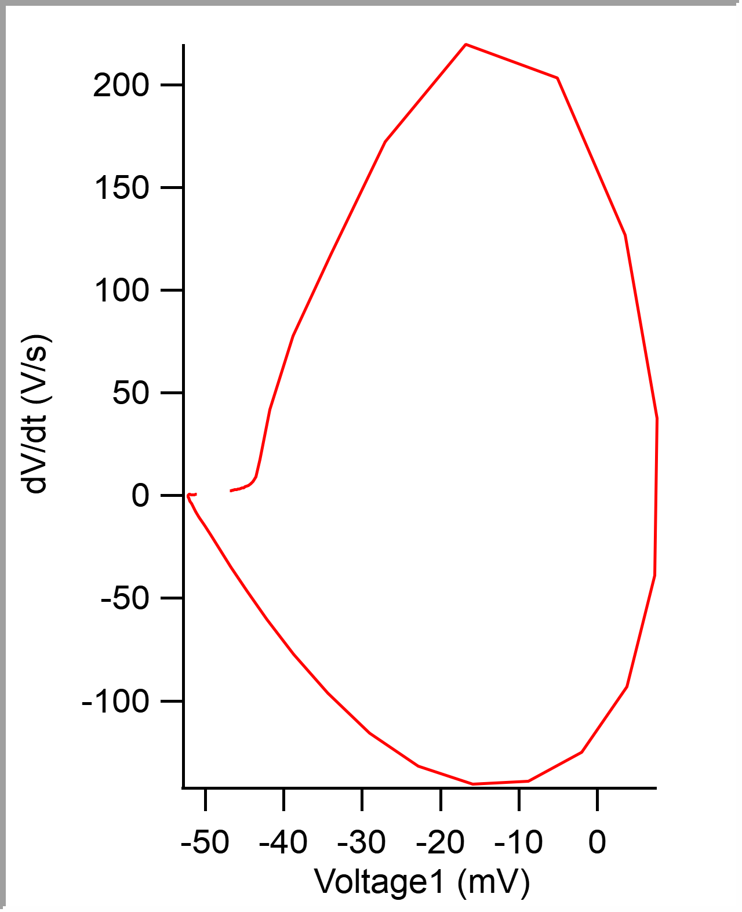
1 | 0.015900001 | -0.042816162 | -0.00034999999 | 0.0081481934 | 0.00015000001 | -0.052093506 | 0.00115 | 0.040021002 | 0.0073000006 | 229.18701 | -155.94482 | 0.00038287271 |  |  |  |  |  |  |  |  |  |  |  |  | 5.00E-05 | -0.04678046 | -46.78046 | -0.04776001 | -47.76001 | 0.00005 | -46.78046 | -47.76001 | -0.04678046 | 2.4079905
1 | 0.0232 | -0.042633057 | -0.00034999999 | 0.0081787109 | 1.00E-04 | -0.05166626 | 0.00105 | 0.047320999 | 0.0072999969 | 233.76465 | -153.80859 | 0.00038445901 |  |  |  |  |  |  |  |  |  |  |  |  | 0.0001 | -0.046657633 | -46.657633 | -0.047637939 | -47.637939 | 0.0001 | -46.657633 | -47.637939 | -0.046657633 | 2.4826453
1 | 0.030999999 | -0.042907715 | -0.00034999999 | 0.0078430176 | 0.00015000001 | -0.051605225 | 0.00115 | 0.055121001 | 0.0078000017 | 230.71289 | -152.58789 | 0.00038555119 |  |  |  |  |  |  |  |  |  |  |  |  | 0.00015 | -0.046532195 | -46.532195 | -0.047546387 | -47.546387 | 0.00015 | -46.532195 | -47.546387 | -0.046532195 | 2.5638938
1 | 0.038199998 | -0.042694092 | -0.00034999999 | 0.0081787109 | 1.00E-04 | -0.051940918 | 0.00115 | 0.062321 | 0.0071999989 | 232.23877 | -152.28271 | 0.00038660428 |  |  |  |  |  |  |  |  |  |  |  |  | 0.0002 | -0.046401244 | -46.401244 | -0.047454834 | -47.454834 | 0.0002 | -46.401244 | -47.454834 | -0.046401244 | 2.6739388
1 | 0.045600001 | -0.043060303 | -0.00034999999 | 0.0085754395 | 1.00E-04 | -0.051940918 | 0.0011 | 0.069720998 | 0.0073999986 | 234.68018 | -156.55518 | 0.00038499865 |  |  |  |  |  |  |  |  |  |  |  |  | 0.00025 | -0.046264801 | -46.264801 | -0.047302246 | -47.302246 | 0.00025 | -46.264801 | -47.302246 | -0.046264801 | 2.7845428
1 | 0.053199999 | -0.042266846 | -0.00034999999 | 0.0080566406 | 1.00E-04 | -0.0519104 | 0.00115 | 0.077321 | 0.007600002 | 230.71289 | -153.80859 | 0.00038458864 |  |  |  |  |  |  |  |  |  |  |  |  | 0.0003 | -0.046122789 | -46.122789 | -0.047241211 | -47.241211 | 0.0003 | -46.122789 | -47.241211 | -0.046122789 | 2.9103086
1 | 0.060400002 | -0.043243408 | -0.00034999999 | 0.0084838867 | 1.00E-04 | -0.051727295 | 0.00105 | 0.084521003 | 0.0072000027 | 236.20605 | -157.77588 | 0.00038289124 |  |  |  |  |  |  |  |  |  |  |  |  | 0.00035 | -0.04597377 | -45.97377 | -0.047149658 | -47.149658 | 0.00035 | -45.97377 | -47.149658 | -0.04597377 | 3.0325353
1 | 0.067450002 | -0.043640137 | -0.00039999999 | 0.0082397461 | 1.00E-04 | -0.051940918 | 0.00115 | 0.091571003 | 0.0070500001 | 236.81641 | -155.63965 | 0.0003862 |  |  |  |  |  |  |  |  |  |  |  |  | 0.0004 | -0.045819536 | -45.819536 | -0.04699707 | -46.99707 | 0.0004 | -45.819536 | -46.99707 | -0.045819536 | 3.1694398
1 | 0.075350001 | -0.043121338 | -0.00034999999 | 0.0079345703 | 0.00015000001 | -0.0519104 | 0.00115 | 0.099471003 | 0.0078999996 | 230.40771 | -156.55518 | 0.00038384652 |  |  |  |  |  |  |  |  |  |  |  |  | 0.00045 | -0.045656826 | -45.656826 | -0.046844482 | -46.844482 | 0.00045 | -45.656826 | -46.844482 | -0.045656826 | 3.3118949
1 | 0.083099999 | -0.043121338 | -0.00034999999 | 0.0078430176 | 0.00015000001 | -0.051971436 | 0.00115 | 0.107221 | 0.0077499971 | 229.49219 | -153.50342 | 0.00038805377 |  |  |  |  |  |  |  |  |  |  |  |  | 0.0005 | -0.045488346 | -45.488346 | -0.046691895 | -46.691895 | 0.0005 | -45.488346 | -46.691895 | -0.045488346 | 3.4745784
1 | 0.090449996 | -0.043060303 | -0.00034999999 | 0.0085754395 | 1.00E-04 | -0.051879883 | 0.00115 | 0.114571 | 0.0073499978 | 234.06982 | -158.08105 | 0.00038261665 |  |  |  |  |  |  |  |  |  |  |  |  | 0.00055 | -0.045309369 | -45.309369 | -0.046569824 | -46.569824 | 0.00055 | -45.309369 | -46.569824 | -0.045309369 | 3.6706777
1 | 0.098200001 | -0.043243408 | -0.00034999999 | 0.0082092285 | 0.00015000001 | -0.0519104 | 0.0011 | 0.122321 | 0.0077500045 | 234.68018 | -155.0293 | 0.00038514097 |  |  |  |  |  |  |  |  |  |  |  |  | 0.0006 | -0.045121279 | -45.121279 | -0.046417236 | -46.417236 | 0.0006 | -45.121279 | -46.417236 | -0.045121279 | 3.9032845
1 | 0.1056 | -0.042449951 | -0.00030000001 | 0.0083007813 | 0.00015000001 | -0.0519104 | 0.00115 | 0.129721 | 0.0073999986 | 234.06982 | -154.72412 | 0.00038278592 |  |  |  |  |  |  |  |  |  |  |  |  | 0.00065 | -0.04491904 | -44.91904 | -0.046264648 | -46.264648 | 0.00065 | -44.91904 | -46.264648 | -0.04491904 | 4.2079391
1 | 0.1133 | -0.042327881 | -0.00034999999 | 0.0083618164 | 1.00E-04 | -0.052001953 | 0.00115 | 0.137421 | 0.0076999962 | 233.1543 | -155.33447 | 0.0003821392 |  |  |  |  |  |  |  |  |  |  |  |  | 0.0007 | -0.044700485 | -44.700485 | -0.046051025 | -46.051025 | 0.0007 | -44.700485 | -46.051025 | -0.044700485 | 4.5667591
1 | 0.1209 | -0.04296875 | -0.00034999999 | 0.0079650879 | 1.00E-04 | -0.051879883 | 0.00115 | 0.14502099 | 0.0075999945 | 224.91455 | -156.55518 | 0.00038612078 |  |  |  |  |  |  |  |  |  |  |  |  | 0.00075 | -0.044462364 | -44.462364 | -0.045837402 | -45.837402 | 0.00075 | -44.462364 | -45.837402 | -0.044462364 | 5.0278382
1 | 0.12854999 | -0.042724609 | -0.00034999999 | 0.0083618164 | 1.00E-04 | -0.051879883 | 0.00115 | 0.15267099 | 0.0076500028 | 234.98535 | -154.72412 | 0.00038517054 |  |  |  |  |  |  |  |  |  |  |  |  | 0.0008 | -0.044197701 | -44.197701 | -0.045532227 | -45.532227 | 0.0008 | -44.197701 | -45.532227 | -0.044197701 | 5.6806579
1 | 0.13615 | -0.043426514 | -0.00034999999 | 0.008026123 | 0.00015000001 | -0.0519104 | 0.0012000001 | 0.160271 | 0.0076000094 | 231.32324 | -152.28271 | 0.00039042343 |  |  |  |  |  |  |  |  |  |  |  |  | 0.00085 | -0.043894298 | -43.894298 | -0.045196533 | -45.196533 | 0.00085 | -43.894298 | -45.196533 | -0.043894298 | 6.7601724
1 | 0.1433 | -0.043457031 | -0.00034999999 | 0.0084533691 | 1.00E-04 | -0.05178833 | 0.0011 | 0.167421 | 0.0071499944 | 231.62842 | -156.25 | 0.00038572281 |  |  |  |  |  |  |  |  |  |  |  |  | 0.0009 | -0.043521684 | -43.521684 | -0.044830322 | -44.830322 | 0.0009 | -43.521684 | -44.830322 | -0.043521684 | 9.0682135
1 | 0.1508 | -0.043029785 | -0.00034999999 | 0.0081176758 | 1.00E-04 | -0.05166626 | 0.00115 | 0.17492101 | 0.0075000077 | 228.88184 | -155.63965 | 0.00038382591 |  |  |  |  |  |  |  |  |  |  |  |  | 0.00095 | -0.042987477 | -42.987477 | -0.044281006 | -44.281006 | 0.00095 | -42.987477 | -44.281006 | -0.042987477 | 17.697924
1 | 0.15785 | -0.042327881 | -0.00034999999 | 0.0080871582 | 1.00E-04 | -0.051574707 | 0.0011 | 0.181971 | 0.0070499927 | 231.01807 | -152.89307 | 0.00038387612 |  |  |  |  |  |  |  |  |  |  |  |  | 0.001 | -0.041751891 | -41.751891 | -0.042755127 | -42.755127 | 0.001 | -41.751891 | -42.755127 | -0.041751891 | 42.002426
1 | 0.16535001 | -0.043182373 | -0.00034999999 | 0.0085449219 | 1.00E-04 | -0.052093506 | 0.00115 | 0.18947101 | 0.0075000077 | 234.375 | -156.55518 | 0.00038362705 |  |  |  |  |  |  |  |  |  |  |  |  | 0.00105 | -0.038787235 | -38.787235 | -0.039337158 | -39.337158 | 0.00105 | -38.787235 | -39.337158 | -0.038787235 | 77.636093
1 | 0.17290001 | -0.043426514 | -0.00039999999 | 0.0083618164 | 1.00E-04 | -0.051879883 | 0.0011 | 0.19702101 | 0.0075500011 | 236.51123 | -155.63965 | 0.00038599345 |  |  |  |  |  |  |  |  |  |  |  |  | 0.0011 | -0.033988282 | -33.988282 | -0.034118652 | -34.118652 | 0.0011 | -33.988282 | -34.118652 | -0.033988282 | 117.34769
1 | 0.18005 | -0.043151855 | -0.00039999999 | 0.0082702637 | 1.00E-04 | -0.05178833 | 0.0012000001 | 0.204171 | 0.0071499944 | 232.84912 | -153.80859 | 0.00038605227 |  |  |  |  |  |  |  |  |  |  |  |  | 0.00115 | -0.027052466 | -27.052466 | -0.027038574 | -27.038574 | 0.00115 | -27.052466 | -27.038574 | -0.027052466 | 172.22314
1 | 0.18754999 | -0.042938232 | -0.00034999999 | 0.0081787109 | 1.00E-04 | -0.052001953 | 0.0011 | 0.21167099 | 0.0074999928 | 226.44043 | -154.72412 | 0.00038516396 |  |  |  |  |  |  |  |  |  |  |  |  | 0.0012 | -0.016765967 | -16.765967 | -0.016326904 | -16.326904 | 0.0012 | -16.765967 | -16.326904 | -0.016765967 | 219.75363
1 | 0.1952 | -0.042877197 | -0.00034999999 | 0.0082397461 | 0.00015000001 | -0.052032471 | 0.0012000001 | 0.219321 | 0.0076500028 | 232.54395 | -153.80859 | 0.00038677236 |  |  |  |  |  |  |  |  |  |  |  |  | 0.00125 | -0.0050771027 | -5.0771027 | -0.0045471191 | -4.5471191 | 0.00125 | -5.0771027 | -4.5471191 | -0.0050771027 | 203.29111
1 | 0.20265 | -0.043640137 | -0.00034999999 | 0.008392334 | 1.00E-04 | -0.052032471 | 0.0011 | 0.226771 | 0.0074499995 | 234.375 | -156.25 | 0.00038466853 |  |  |  |  |  |  |  |  |  |  |  |  | 0.0013 | 0.0035631424 | 3.5631424 | 0.0037536621 | 3.7536621 | 0.0013 | 3.5631424 | 3.7536621 | 0.0035631424 | 126.76384
1 | 0.2097 | -0.04296875 | -0.00034999999 | 0.0081481934 | 1.00E-04 | -0.05178833 | 0.0011 | 0.233821 | 0.0070500076 | 229.79736 | -154.72412 | 0.00038631324 |  |  |  |  |  |  |  |  |  |  |  |  | 0.00135 | 0.0075992816 | 7.5992816 | 0.0074462891 | 7.4462891 | 0.00135 | 7.5992816 | 7.4462891 | 0.0075992816 | 37.644924
1 | 0.2173 | -0.042907715 | -0.00034999999 | 0.0084533691 | 1.00E-04 | -0.0519104 | 0.0011 | 0.241421 | 0.0075999945 | 235.90088 | -156.55518 | 0.00038286726 |  |  |  |  |  |  |  |  |  |  |  |  | 0.0014 | 0.0073276348 | 7.3276348 | 0.007019043 | 7.019043 | 0.0014 | 7.3276348 | 7.019043 | 0.0073276348 | -38.746948
1 | 0.2251 | -0.043487549 | -0.00034999999 | 0.0084838867 | 1.00E-04 | -0.051971436 | 0.0011 | 0.249221 | 0.0077999979 | 235.90088 | -156.86035 | 0.00038503684 |  |  |  |  |  |  |  |  |  |  |  |  | 0.00145 | 0.0037245869 | 3.7245869 | 0.0035400391 | 3.5400391 | 0.00145 | 3.7245869 | 3.5400391 | 0.0037245869 | -93.069
1 | 0.23255 | -0.043304443 | -0.00034999999 | 0.008392334 | 1.00E-04 | -0.051940918 | 0.00105 | 0.25667098 | 0.0074499846 | 234.98535 | -155.63965 | 0.00038618044 |  |  |  |  |  |  |  |  |  |  |  |  | 0.0015 | -0.0019792649 | -1.9792649 | -0.001953125 | -1.953125 | 0.0015 | -1.9792649 | -1.953125 | -0.0019792649 | -124.95759
1 | 0.24034999 | -0.042877197 | -0.00034999999 | 0.0078430176 | 1.00E-04 | -0.052062988 | 0.00115 | 0.26447099 | 0.0078000128 | 224.3042 | -153.50342 | 0.00038790581 |  |  |  |  |  |  |  |  |  |  |  |  | 0.00155 | -0.0087711718 | -8.7711718 | -0.0084533691 | -8.4533691 | 0.00155 | -8.7711718 | -8.4533691 | -0.0087711718 | -139.22314
1 | 0.24815001 | -0.043365479 | -0.00034999999 | 0.0081481934 | 0.00015000001 | -0.052001953 | 0.0013 | 0.27227101 | 0.0078000128 | 232.84912 | -152.58789 | 0.00038903765 |  |  |  |  |  |  |  |  |  |  |  |  | 0.0016 | -0.01590158 | -15.90158 | -0.015411377 | -15.411377 | 0.0016 | -15.90158 | -15.411377 | -0.01590158 | -140.50636
1 | 0.25604999 | -0.043029785 | -0.00034999999 | 0.0083312988 | 1.00E-04 | -0.051940918 | 0.0012000001 | 0.28017098 | 0.0078999698 | 237.12158 | -155.63965 | 0.00038284544 |  |  |  |  |  |  |  |  |  |  |  |  | 0.00165 | -0.022821808 | -22.821808 | -0.022125244 | -22.125244 | 0.00165 | -22.821808 | -22.125244 | -0.022821808 | -131.75827
1 | 0.26335001 | -0.042785645 | -0.00034999999 | 0.0080871582 | 1.00E-04 | -0.05166626 | 0.0011 | 0.287471 | 0.0073000193 | 230.71289 | -152.89307 | 0.00038659546 |  |  |  |  |  |  |  |  |  |  |  |  | 0.0017 | -0.029077407 | -29.077407 | -0.028381348 | -28.381348 | 0.0017 | -29.077407 | -28.381348 | -0.029077407 | -115.67252
1 | 0.27110001 | -0.042633057 | -0.00034999999 | 0.0083312988 | 1.00E-04 | -0.051879883 | 0.0012000001 | 0.295221 | 0.0077500045 | 232.23877 | -155.0293 | 0.00038548993 |  |  |  |  |  |  |  |  |  |  |  |  | 0.00175 | -0.03438906 | -34.38906 | -0.033721924 | -33.721924 | 0.00175 | -34.38906 | -33.721924 | -0.03438906 | -96.303452
1 | 0.27855 | -0.043273926 | -0.00034999999 | 0.0082092285 | 1.00E-04 | -0.051971436 | 0.0012000001 | 0.30267099 | 0.0074499846 | 229.18701 | -155.94482 | 0.00038397915 |  |  |  |  |  |  |  |  |  |  |  |  | 0.0018 | -0.038707752 | -38.707752 | -0.038146973 | -38.146973 | 0.0018 | -38.707752 | -38.146973 | -0.038707752 | -77.217293
1 | 0.2861 | -0.042907715 | -0.00034999999 | 0.0079956055 | 0.00015000001 | -0.051849365 | 0.00115 | 0.31022099 | 0.0075500011 | 229.49219 | -154.41895 | 0.00038561958 |  |  |  |  |  |  |  |  |  |  |  |  | 0.00185 | -0.04211079 | -42.11079 | -0.041656494 | -41.656494 | 0.00185 | -42.11079 | -41.656494 | -0.04211079 | -60.274006
1 | 0.29359999 | -0.042510986 | -0.00034999999 | 0.0081176758 | 1.00E-04 | -0.051544189 | 0.0011 | 0.31772098 | 0.0074999928 | 230.10254 | -151.97754 | 0.00038773846 |  |  |  |  |  |  |  |  |  |  |  |  | 0.0019 | -0.044735152 | -44.735152 | -0.044342041 | -44.342041 | 0.0019 | -44.735152 | -44.342041 | -0.044735152 | -46.174416
1 | 0.30074999 | -0.04296875 | -0.00034999999 | 0.0078430176 | 0.00015000001 | -0.051849365 | 0.00115 | 0.32487097 | 0.0071499944 | 227.05078 | -151.36719 | 0.00039069532 |  |  |  |  |  |  |  |  |  |  |  |  | 0.00195 | -0.046728231 | -46.728231 | -0.046447754 | -46.447754 | 0.00195 | -46.728231 | -46.447754 | -0.046728231 | -34.883133
1 | 0.30880001 | -0.042755127 | -0.00034999999 | 0.0080871582 | 0.00015000001 | -0.052093506 | 0.00115 | 0.332921 | 0.0080500245 | 229.18701 | -154.41895 | 0.00038614546 |  |  |  |  |  |  |  |  |  |  |  |  | 0.002 | -0.048223466 | -48.223466 | -0.047973633 | -47.973633 | 0.002 | -48.223466 | -47.973633 | -0.048223466 | -25.853142
1 | 0.31650001 | -0.042755127 | -0.00030000001 | 0.0083007813 | 0.00015000001 | -0.051879883 | 0.00115 | 0.34062099 | 0.0076999962 | 234.98535 | -153.80859 | 0.00038381916 |  |  |  |  |  |  |  |  |  |  |  |  | 0.00205 | -0.049313545 | -49.313545 | -0.049224854 | -49.224854 | 0.00205 | -49.313545 | -49.224854 | -0.049313545 | -19.184835
1 | 0.32409999 | -0.042907715 | -0.00034999999 | 0.0081176758 | 1.00E-04 | -0.052062988 | 0.00115 | 0.34822097 | 0.0075999796 | 224.91455 | -156.86035 | 0.0003835253 |  |  |  |  |  |  |  |  |  |  |  |  | 0.0021 | -0.050141949 | -50.141949 | -0.050109863 | -50.109863 | 0.0021 | -50.141949 | -50.109863 | -0.050141949 | -14.411099
1 | 0.33149999 | -0.04296875 | -0.00034999999 | 0.008392334 | 1.00E-04 | -0.051879883 | 0.00115 | 0.35562098 | 0.0074000061 | 233.1543 | -154.11377 | 0.00038773697 |  |  |  |  |  |  |  |  |  |  |  |  | 0.00215 | -0.050754655 | -50.754655 | -0.05078125 | -50.78125 | 0.00215 | -50.754655 | -50.78125 | -0.050754655 | -10.614098
1 | 0.33904999 | -0.042419434 | -0.00034999999 | 0.0082702637 | 1.00E-04 | -0.051971436 | 0.0012000001 | 0.36317098 | 0.0075500011 | 232.23877 | -152.58789 | 0.0003859672 |  |  |  |  |  |  |  |  |  |  |  |  | 0.0022 | -0.051203359 | -51.203359 | -0.051239014 | -51.239014 | 0.0022 | -51.203359 | -51.239014 | -0.051203359 | -7.7528877
1 | 0.34670001 | -0.04284668 | -0.00034999999 | 0.0083312988 | 1.00E-04 | -0.0519104 | 0.0011 | 0.370821 | 0.0076500177 | 233.1543 | -154.11377 | 0.00038726049 |  |  |  |  |  |  |  |  |  |  |  |  | 0.00225 | -0.051529944 | -51.529944 | -0.051544189 | -51.544189 | 0.00225 | -51.529944 | -51.544189 | -0.051529944 | -5.6022406
1 | 0.354 | -0.043670654 | -0.00034999999 | 0.0084533691 | 1.00E-04 | -0.0519104 | 0.0011 | 0.37812099 | 0.0072999895 | 238.64746 | -156.86035 | 0.00038400572 |  |  |  |  |  |  |  |  |  |  |  |  | 0.0023 | -0.051763583 | -51.763583 | -0.05178833 | -51.78833 | 0.0023 | -51.763583 | -51.78833 | -0.051763583 | -3.9847195
1 | 0.36164999 | -0.042938232 | -0.00034999999 | 0.0080871582 | 0.00015000001 | -0.052032471 | 0.0012000001 | 0.38577098 | 0.0076499879 | 232.84912 | -153.80859 | 0.00038541571 |  |  |  |  |  |  |  |  |  |  |  |  | 0.00235 | -0.051928416 | -51.928416 | -0.051971436 | -51.971436 | 0.00235 | -51.928416 | -51.971436 | -0.051928416 | -2.7685986
1 | 0.3687 | -0.043395996 | -0.00034999999 | 0.0079956055 | 0.00015000001 | -0.051940918 | 0.00115 | 0.39282098 | 0.0070500076 | 232.54395 | -153.50342 | 0.00038964039 |  |  |  |  |  |  |  |  |  |  |  |  | 0.0024 | -0.052040443 | -52.040443 | -0.052093506 | -52.093506 | 0.0024 | -52.040443 | -52.093506 | -0.052040443 | -1.8383934
1 | 0.37625 | -0.043579102 | -0.00034999999 | 0.0079345703 | 0.00015000001 | -0.051818848 | 0.0012000001 | 0.40037099 | 0.0075500011 | 231.93359 | -152.89307 | 0.00039052748 |  |  |  |  |  |  |  |  |  |  |  |  | 0.00245 | -0.052112255 | -52.112255 | -0.052185059 | -52.185059 | 0.00245 | -52.112255 | -52.185059 | -0.052112255 | -1.1546538
1 | 0.38424999 | -0.042297363 | -0.00034999999 | 0.0075378418 | 0.00015000001 | -0.052062988 | 0.00115 | 0.40837097 | 0.0079999864 | 220.03174 | -151.67236 | 0.0003890284 |  |  |  |  |  |  |  |  |  |  |  |  | 0.0025 | -0.052155908 | -52.155908 | -0.052215576 | -52.215576 | 0.0025 | -52.155908 | -52.215576 | -0.052155908 | -0.6551668
1 | 0.39184999 | -0.043029785 | -0.00034999999 | 0.0081787109 | 1.00E-04 | -0.0519104 | 0.00115 | 0.41597098 | 0.0076000094 | 227.35596 | -155.63965 | 0.00038528122 |  |  |  |  |  |  |  |  |  |  |  |  | 0.00255 | -0.052177772 | -52.177772 | -0.052276611 | -52.276611 | 0.00255 | -52.177772 | -52.276611 | -0.052177772 | -0.27481467
1 | 0.3996 | -0.043487549 | -0.00034999999 | 0.0084533691 | 1.00E-04 | -0.052337646 | 0.0012000001 | 0.42372099 | 0.0077500045 | 237.73193 | -155.94482 | 0.00038652227 |  |  |  |  |  |  |  |  |  |  |  |  | 0.0026 | -0.05218339 | -52.18339 | -0.052307129 | -52.307129 | 0.0026 | -52.18339 | -52.307129 | -0.05218339 | 0.01039356
1 | 0.40759999 | -0.043121338 | -0.00034999999 | 0.0084838867 | 1.00E-04 | -0.052215576 | 0.00115 | 0.43172097 | 0.0079999864 | 231.93359 | -157.4707 | 0.00038253432 |  |  |  |  |  |  |  |  |  |  |  |  | 0.00265 | -0.052176733 | -52.176733 | -0.052307129 | -52.307129 | 0.00265 | -52.176733 | -52.307129 | -0.052176733 | 0.21837652
1 | 0.41545001 | -0.043121338 | -0.00034999999 | 0.0079040527 | 0.00015000001 | -0.052124023 | 0.0011 | 0.43957099 | 0.0078500211 | 229.18701 | -152.89307 | 0.00038799667 |  |  |  |  |  |  |  |  |  |  |  |  | 0.0027 | -0.052161552 | -52.161552 | -0.052337646 | -52.337646 | 0.0027 | -52.161552 | -52.337646 | -0.052161552 | 0.3522262
1 | 0.42324999 | -0.04284668 | -0.00034999999 | 0.0083007813 | 1.00E-04 | -0.052062988 | 0.0011 | 0.44737098 | 0.007799983 | 230.40771 | -155.94482 | 0.00038544936 |  |  |  |  |  |  |  |  |  |  |  |  | 0.00275 | -0.05214151 | -52.14151 | -0.052368164 | -52.368164 | 0.00275 | -52.14151 | -52.368164 | -0.05214151 | 0.43272972
1 | 0.43130001 | -0.043182373 | -0.00034999999 | 0.0081176758 | 0.00015000001 | -0.052215576 | 0.00115 | 0.455421 | 0.0080500245 | 233.45947 | -155.33447 | 0.00038438378 |  |  |  |  |  |  |  |  |  |  |  |  | 0.0028 | -0.052118279 | -52.118279 | -0.052337646 | -52.337646 | 0.0028 | -52.118279 | -52.337646 | -0.052118279 | 0.48812479
1 | 0.4393 | -0.042785645 | -0.00034999999 | 0.0085449219 | 1.00E-04 | -0.0519104 | 0.0011 | 0.46342099 | 0.0079999864 | 238.03711 | -155.63965 | 0.00038418698 |  |  |  |  |  |  |  |  |  |  |  |  | 0.00285 | -0.052092697 | -52.092697 | -0.052337646 | -52.337646 | 0.00285 | -52.092697 | -52.337646 | -0.052092697 | 0.5364418
1 | 0.44674999 | -0.04296875 | -0.00039999999 | 0.0082092285 | 1.00E-04 | -0.052093506 | 0.0011 | 0.47087097 | 0.0074499846 | 233.1543 | -152.28271 | 0.00039060425 |  |  |  |  |  |  |  |  |  |  |  |  | 0.0029 | -0.052064635 | -52.064635 | -0.052307129 | -52.307129 | 0.0029 | -52.064635 | -52.307129 | -0.052064635 | 0.56128949
1 | 0.45429999 | -0.043395996 | -0.00034999999 | 0.0083618164 | 1.00E-04 | -0.052154541 | 0.00115 | 0.47842097 | 0.0075500011 | 233.45947 | -156.86035 | 0.00038540011 |  |  |  |  |  |  |  |  |  |  |  |  | 0.00295 | -0.052036569 | -52.036569 | -0.052246094 | -52.246094 | 0.00295 | -52.036569 | -52.246094 | -0.052036569 | 0.57697296
1 | 0.4619 | -0.043334961 | -0.00034999999 | 0.0081787109 | 1.00E-04 | -0.052093506 | 0.00115 | 0.48602098 | 0.0076000094 | 228.57666 | -155.94482 | 0.00038546789 |  |  |  |  |  |  |  |  |  |  |  |  | 0.003 | -0.052006938 | -52.006938 | -0.052215576 | -52.215576 | 0.003 | -52.006938 | -52.215576 | -0.052006938 | 0.5807355
1 | 0.46955001 | -0.043609619 | -0.00034999999 | 0.0083007813 | 0.00015000001 | -0.052185059 | 0.00115 | 0.493671 | 0.0076500177 | 236.51123 | -153.19824 | 0.00038899772 |  |  |  |  |  |  |  |  |  |  |  |  | 0.00305 | -0.051978495 | -51.978495 | -0.052215576 | -52.215576 | 0.00305 | -51.978495 | -52.215576 | -0.051978495 | 0.57186931
1 | 0.4772 | -0.043212891 | -0.00034999999 | 0.0084228516 | 1.00E-04 | -0.051940918 | 0.00115 | 0.50132102 | 0.0076500177 | 233.76465 | -156.25 | 0.00038525887 |  |  |  |  |  |  |  |  |  |  |  |  | 0.0031 | -0.051949751 | -51.949751 | -0.052185059 | -52.185059 | 0.0031 | -51.949751 | -52.185059 | -0.051949751 | 0.56225806
1 | 0.48469999 | -0.042816162 | -0.00034999999 | 0.0084533691 | 1.00E-04 | -0.051940918 | 0.0011 | 0.50882101 | 0.0074999928 | 234.68018 | -154.41895 | 0.00038583175 |  |  |  |  |  |  |  |  |  |  |  |  | 0.00315 | -0.051922269 | -51.922269 | -0.052154541 | -52.154541 | 0.00315 | -51.922269 | -52.154541 | -0.051922269 | 0.53368509
1 | 0.49219999 | -0.043579102 | -0.00034999999 | 0.0082397461 | 0.00015000001 | -0.051971436 | 0.0012000001 | 0.516321 | 0.0074999928 | 229.79736 | -153.19824 | 0.00039195767 |  |  |  |  |  |  |  |  |  |  |  |  | 0.0032 | -0.051896382 | -51.896382 | -0.052154541 | -52.154541 | 0.0032 | -51.896382 | -52.154541 | -0.051896382 | 0.50865114
1 | 0.50010002 | -0.043121338 | -0.00034999999 | 0.0085449219 | 1.00E-04 | -0.051879883 | 0.0011 | 0.524221 | 0.0078999996 | 236.20605 | -158.08105 | 0.00038456407 |  |  |  |  |  |  |  |  |  |  |  |  | 0.00325 | -0.051871404 | -51.871404 | -0.052185059 | -52.185059 | 0.00325 | -51.871404 | -52.185059 | -0.051871404 | 0.48913062
1 | 0.50800002 | -0.042877197 | -0.00034999999 | 0.0083618164 | 1.00E-04 | -0.05178833 | 0.00115 | 0.532121 | 0.0078999996 | 233.76465 | -153.80859 | 0.00038421014 |  |  |  |  |  |  |  |  |  |  |  |  | 0.0033 | -0.051847469 | -51.847469 | -0.052124023 | -52.124023 | 0.0033 | -51.847469 | -52.124023 | -0.051847469 | 0.48127025
1 | 0.51539999 | -0.043640137 | -0.00034999999 | 0.0077819824 | 0.00015000001 | -0.052246094 | 0.00115 | 0.53952098 | 0.0073999763 | 229.18701 | -154.11377 | 0.00039040815 |  |  |  |  |  |  |  |  |  |  |  |  | 0.00335 | -0.051823277 | -51.823277 | -0.052093506 | -52.093506 | 0.00335 | -51.823277 | -52.093506 | -0.051823277 | 0.46234578
1 | 0.52315003 | -0.043487549 | -0.00034999999 | 0.0079956055 | 0.00015000001 | -0.051849365 | 0.00105 | 0.54727101 | 0.0077500343 | 230.10254 | -154.11377 | 0.00038903567 |  |  |  |  |  |  |  |  |  |  |  |  | 0.0034 | -0.051801234 | -51.801234 | -0.052062988 | -52.062988 | 0.0034 | -51.801234 | -52.062988 | -0.051801234 | 0.44841319
1 | 0.53065002 | -0.042877197 | -0.00034999999 | 0.0079345703 | 1.00E-04 | -0.052062988 | 0.00115 | 0.55477101 | 0.0074999928 | 224.91455 | -152.58789 | 0.00038800971 |  |  |  |  |  |  |  |  |  |  |  |  | 0.00345 | -0.051778436 | -51.778436 | -0.052032471 | -52.032471 | 0.00345 | -51.778436 | -52.032471 | -0.051778436 | 0.44763088
1 | 0.53815001 | -0.042724609 | -0.00034999999 | 0.0083618164 | 1.00E-04 | -0.0519104 | 0.00125 | 0.562271 | 0.0074999928 | 234.06982 | -153.80859 | 0.00038729468 |  |  |  |  |  |  |  |  |  |  |  |  | 0.0035 | -0.051756471 | -51.756471 | -0.052032471 | -52.032471 | 0.0035 | -51.756471 | -52.032471 | -0.051756471 | 0.45675784
1 | 0.54540002 | -0.043121338 | -0.00034999999 | 0.0081787109 | 0.00015000001 | -0.051940918 | 0.0012000001 | 0.56952101 | 0.007250011 | 230.71289 | -152.89307 | 0.00038856087 |  |  |  |  |  |  |  |  |  |  |  |  | 0.00355 | -0.05173276 | -51.73276 | -0.052001953 | -52.001953 | 0.00355 | -51.73276 | -52.001953 | -0.05173276 | 0.43880194
1 | 0.55320001 | -0.042297363 | -0.00034999999 | 0.0081481934 | 1.00E-04 | -0.052062988 | 0.00115 | 0.57732099 | 0.007799983 | 230.40771 | -153.50342 | 0.00038688348 |  |  |  |  |  |  |  |  |  |  |  |  | 0.0036 | -0.051712591 | -51.712591 | -0.051971436 | -51.971436 | 0.0036 | -51.712591 | -51.971436 | -0.051712591 | 0.42662024
1 | 0.56080002 | -0.043426514 | -0.00034999999 | 0.0085754395 | 1.00E-04 | -0.052062988 | 0.00115 | 0.584921 | 0.0076000094 | 229.79736 | -156.86035 | 0.00038764536 |  |  |  |  |  |  |  |  |  |  |  |  | 0.00365 | -0.051690098 | -51.690098 | -0.051940918 | -51.940918 | 0.00365 | -51.690098 | -51.940918 | -0.051690098 | 0.4273653
1 | 0.56884998 | -0.043395996 | -0.00034999999 | 0.0083312988 | 0.00015000001 | -0.052124023 | 0.0012000001 | 0.59297097 | 0.0080499649 | 234.06982 | -154.72412 | 0.00038664421 |  |  |  |  |  |  |  |  |  |  |  |  | 0.0037 | -0.051669855 | -51.669855 | -0.051879883 | -51.879883 | 0.0037 | -51.669855 | -51.879883 | -0.051669855 | 0.42740256
...

c2_R5
Threshold Time (ms) | Peak (mV) | Peak Time (ms) | AHP m(V) | AHP Time (ms) | Interevent Interval (s) | Max Slope (V/s) | Min Slope (V/s) | Max/Min dV/dt | AP Duration @ 50% (s) | Number of Events | Time | First Event |  | Last Event
-0.29520610289 | -3.6140086416 | 0.093324370027 | -62.244073451 | 1.212365603 | 8.962421729 | 265.9155732 | -182.44425464 | 1.4575168383 | 0.3159131002 | 1116 | X | Y (V) | Y (mV) | Y (V)
 |  |  |  |  |  |  |  |  |  |  | 0 | -0.056128554 | -56.128554 | -0.056091309
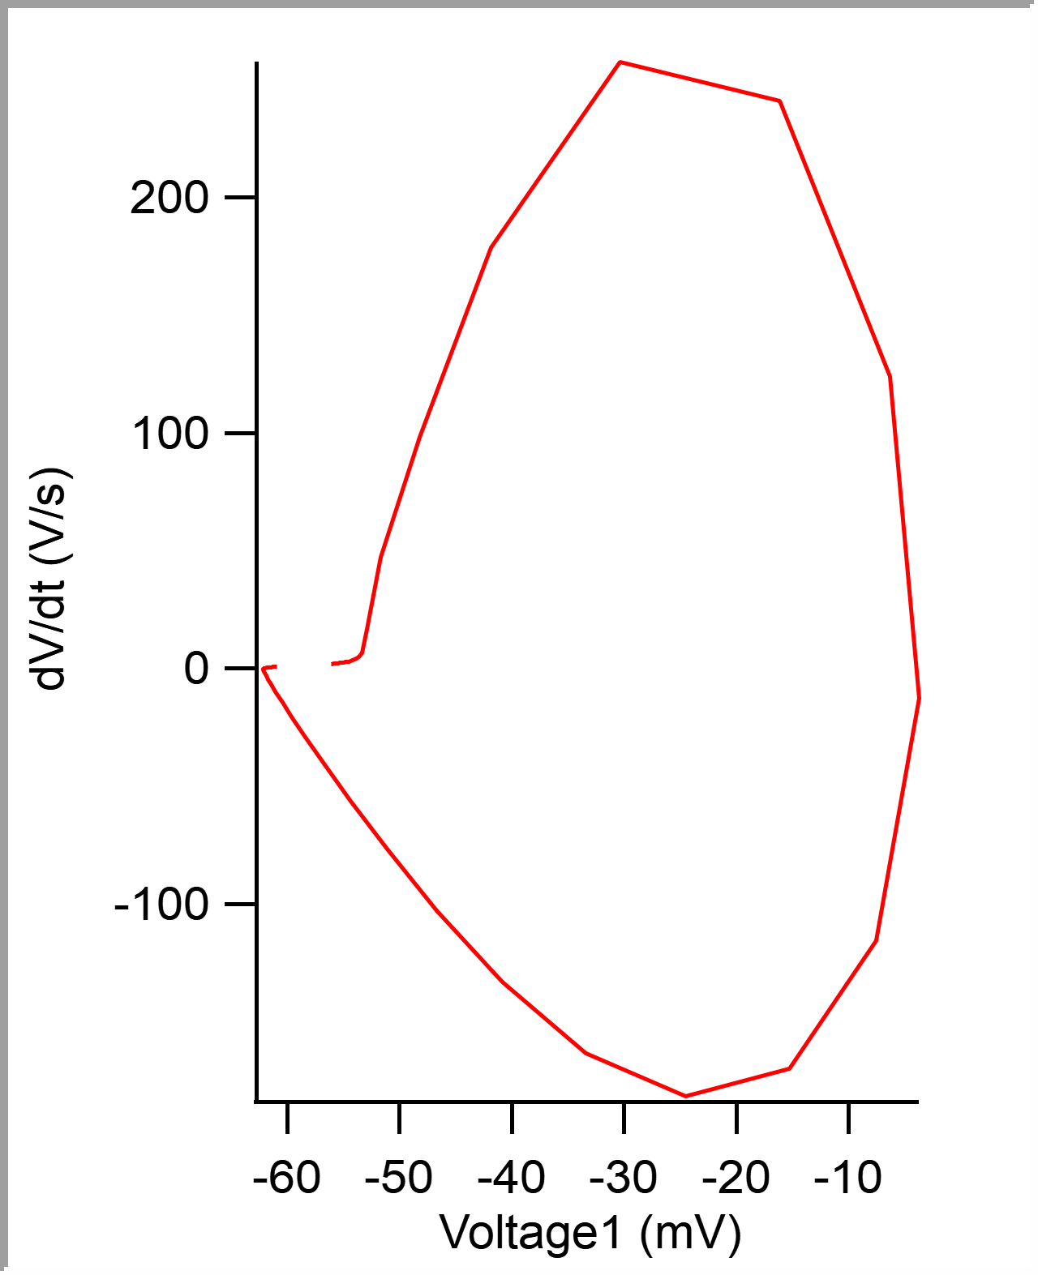
 |  |  |  |  |  |  |  |  |  |  | 5.00E-05 | -0.056027211 | -56.027211 | -0.055969238
 |  |  |  |  |  |  |  |  |  |  | 0.0001 | -0.055924475 | -55.924475 | -0.055877686
 |  |  |  |  |  |  |  |  |  |  | 0.00015 | -0.055817608 | -55.817608 | -0.055755615
 |  |  |  |  |  |  |  |  |  |  | 0.0002 | -0.055708744 | -55.708744 | -0.05569458
 |  |  |  |  |  |  |  |  |  |  | 0.00025 | -0.055596136 | -55.596136 | -0.05557251
 |  |  |  |  |  |  |  |  |  |  | 0.0003 | -0.055480521 | -55.480521 | -0.055480957
 |  |  |  |  |  |  |  |  |  |  | 0.00035 | -0.055361457 | -55.361457 | -0.055358887
 |  |  |  |  |  |  |  |  |  |  | 0.0004 | -0.055238102 | -55.238102 | -0.055236816
 |  |  |  |  |  |  |  |  |  |  | 0.00045 | -0.055112585 | -55.112585 | -0.055114746
 |  |  |  |  |  |  |  |  |  |  | 0.0005 | -0.054980259 | -54.980259 | -0.055053711
 |  |  |  |  |  |  |  |  |  |  | 0.00055 | -0.054843314 | -54.843314 | -0.054901123
 |  |  |  |  |  |  |  |  |  |  | 0.0006 | -0.054699834 | -54.699834 | -0.054779053
 |  |  |  |  |  |  |  |  |  |  | 0.00065 | -0.054549787 | -54.549787 | -0.054595947
 |  |  |  |  |  |  |  |  |  |  | 0.0007 | -0.054391976 | -54.391976 | -0.054382324
 |  |  |  |  |  |  |  |  |  |  | 0.00075 | -0.054223776 | -54.223776 | -0.054260254
 |  |  |  |  |  |  |  |  |  |  | 0.0008 | -0.054042421 | -54.042421 | -0.054077148
 |  |  |  |  |  |  |  |  |  |  | 0.00085 | -0.053844109 | -53.844109 | -0.053863525
 |  |  |  |  |  |  |  |  |  |  | 0.0009 | -0.053619083 | -53.619083 | -0.053649902
 |  |  |  |  |  |  |  |  |  |  | 0.00095 | -0.053350333 | -53.350333 | -0.053375244
 |  |  |  |  |  |  |  |  |  |  | 0.001 | -0.052941818 | -52.941818 | -0.05267334
 |  |  |  |  |  |  |  |  |  |  | 0.00105 | -0.05167225 | -51.67225 | -0.050323486
 |  |  |  |  |  |  |  |  |  |  | 0.0011 | -0.048214301 | -48.214301 | -0.045562744
 |  |  |  |  |  |  |  |  |  |  | 0.00115 | -0.041843757 | -41.843757 | -0.037200928
 |  |  |  |  |  |  |  |  |  |  | 0.0012 | -0.030344399 | -30.344399 | -0.02355957
 |  |  |  |  |  |  |  |  |  |  | 0.00125 | -0.016106827 | -16.106827 | -0.010955811
 |  |  |  |  |  |  |  |  |  |  | 0.0013 | -0.0062724287 | -6.2724287 | -0.0043334961
 |  |  |  |  |  |  |  |  |  |  | 0.00135 | -0.0037009674 | -3.7009674 | -0.0044555664
 |  |  |  |  |  |  |  |  |  |  | 0.0014 | -0.0075327284 | -7.5327284 | -0.0096435547
 |  |  |  |  |  |  |  |  |  |  | 0.00145 | -0.015242081 | -15.242081 | -0.01776123
 |  |  |  |  |  |  |  |  |  |  | 0.0015 | -0.02450794 | -24.50794 | -0.026702881
...

